Sheet1
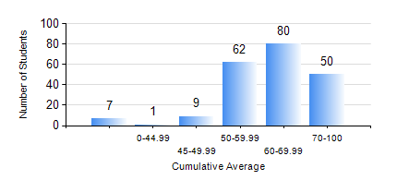
 |  |  | KWAME NKRUMAH UNIVERSITY OF SCIENCE AND TECHNOLOGY, KUMASI Department of Petroleum Engineering

 |  |  | BSC. PETROLEUM ENG.

 |  |  | COMPREHENSIVE RECORD OF EXAMINATION RESULTS

 |  |  | RESULTS OF YEAR 1 FIRST SEMESTER, 2021/2022 ACADEMIC YEAR

 | Sn | Course Code |  | Course Name | Credit Hours | Min. Mark | Max. Mark | Avg. Mark | Std. Dev. | No. Passed | No. Trailed | No. (Df) | No. (I) | No. (I*) | No. Tagged(I,I*,Df) | Total
 | 0. |  |  |  |  |  |  | 0 | 0 | 0 | 0 | 0 | 0 | 0 | 0 | 8
 | 1. | CHEM 169 |  | PRACTICAL CHEMISTRY I | 3 | 31 | 87 | 70 | 8.92 | 198 | 3 | 0 | 0 | 0 | 0 | 201
 | 2. | EE 151 |  | APPLIED ELECTRICITY | 3 | 40 | 100 | 71 | 12.91 | 201 | 0 | 0 | 0 | 0 | 0 | 201
 | 3. | ENGL 157 |  | COMMUNICATION SKILLS I | 2 | 29 | 90 | 61 | 10.49 | 198 | 3 | 0 | 0 | 0 | 0 | 201
 | 4. | MATH 151 |  | MATHEMATICS I | 4 | 40 | 92 | 61 | 10.22 | 201 | 0 | 0 | 0 | 0 | 0 | 201
 | 5. | ME 159 |  | TECHNICAL DRAWING | 2 | 40 | 73 | 52 | 7.74 | 201 | 0 | 0 | 0 | 0 | 0 | 201
 | 6. | PE 151 |  | INORGANIC CHEMISTRY FOR ENGINEERS | 2 | 30 | 90 | 64 | 14.57 | 189 | 11 | 0 | 1 | 0 | 1 | 201
 | 7. | PE 153 |  | ORGANIC CHEMISTRY FOR ENGINEERS | 2 | 17 | 82 | 51 | 12.43 | 172 | 29 | 0 | 0 | 0 | 0 | 201
 | 8. | PE 155 |  | INTRODUCTION TO INFORMATION TECHNOLOGY | 2 | 40 | 95 | 74 | 9.44 | 201 | 0 | 0 | 0 | 0 | 0 | 201

